Command
PC
BT module
 |  |  |  |  |  |  | ex ) XG5/7A Main FW upgrade ( FW Size = 1,754,112 Byte )

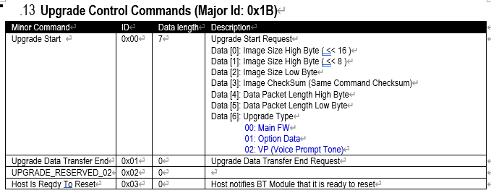
 |  |  |  | Upgrade Start ( 0x42, 0x43, 0x1B, 0x00, 0x07, 0x1a, 0xc4, 0x00, 0xXX, 0x03, 0xC0, 0x01, 0xXX )

 |  |  |  |  |  | 0x42 : Sync Byte ('B')
 |  |  |  |  |  | 0x43 : Command Packet ('C')
 |  |  |  |  |  | 0x1B : Major ID ( BT upgrade)
 |  |  |  |  |  | 0x00 : Minor ID ( Upgrade start)
 |  |  |  |  |  | 0x07 : Data length
 |  |  |  |  |  | 0x1a, 0xc4, 0x00 : Total FW Size (1,754,112Byte)
 |  |  |  |  |  | 0xXX : FW checksum
 |  |  |  |  |  | FW Checksum = ((~((Data0+Data1 + … + Data N))) + 1) & 0xff
 |  |  |  |  |  | 0x03, 0xC0 : Upgrade Data Length ( 960Byte ) -> BT can support Max 1024Byte
 |  |  |  |  |  | 0x01 : Upgrade Type ( Main FW )
 |  |  |  |  |  | 0xXX : checksum ( whole packet : Data[0] ^ Data[1] ^ … ^ Data[N])
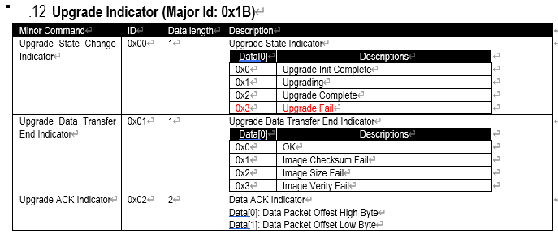
 |  |  | Upgrade Init Complete ( 0x42,0x49, 0x1B, 0x00, 0x01, 0x00,0x11 )
 |  |  |  |  |  | 0x42 : Sync Byte ('B')
 |  |  |  |  |  | 0x49 : Indication Packet ('I')
 |  |  |  |  |  | 0x1B : Major ID (Upgrade Indicator)
 |  |  |  |  |  | 0x00 : Minor ID (Upgrade state change)
 |  |  |  |  |  | 0x01 : Data length
 |  |  |  |  |  | 0x00 : Upgrade Init Complete
 |  |  |  |  |  | 0x11 : Checksum (whole packet : Data[0] ^ Data[1] ^ … ^ Data[N])

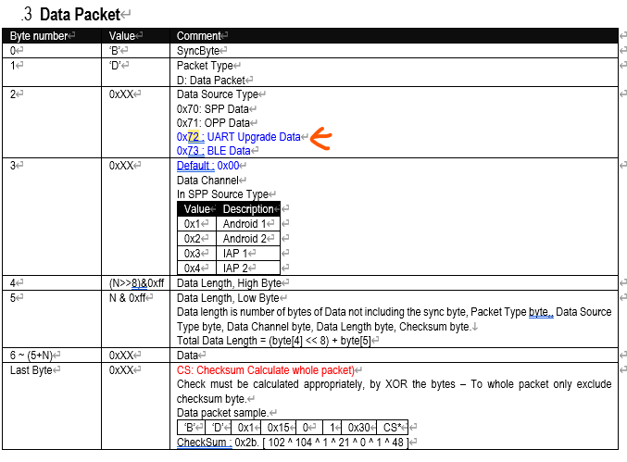

 |  |  | Upgrading ( 0x42, 0x44 0x72, 0x00, 0x03, 0xc2, 0x00, 0x00, 0xXX~0xXX, 0xXX )
 |  |  |  |  |  | 0x42 : Sync Byte ('B')
 |  |  |  |  |  | 0x44: Data Packet ('D')
 |  |  |  |  |  | 0x72 : Major ID ( USB Upgrade Data)
 | Data Packet 0 (960Byte) |  |  |  |  | 0x00 : Minor ID (Upgrade USB)
 |  |  |  |  |  | 0x03, 0xC2 : length (960 + 2 ( Reserved length) )
 |  |  |  |  |  | 0x00, 0x00 : Reserved
 |  |  |  |  |  | 0xXX ~ 0xXX (960 byte)
 |  |  |  |  |  | 0xXX : Checksum (whole packet : Data[0] ^ Data[1] ^ … ^ Data[N])
 |  |  |  |  |  |  |  |  |  | ACK ( 0x42,0x49,0x1b,0x02, 0x02, 0x00, 0x00,0x10)
 |  |  |  |  |  |  |  |  |  | 0x42 : Sync Byte ('B')
 |  |  |  |  |  |  |  |  |  | 0x49 : Indication Packet ('I')
 |  |  |  |  |  |  |  |  |  | 0x1B : Major ID ( Upgrade Indicator)
 |  |  |  |  |  |  |  |  |  | 0x02 : Minor ID (Upgrade ACK)
 |  |  |  |  |  |  |  |  |  | 0x02 : Length
 |  |  |  |  |  |  |  |  |  | 0x00, 0x00 : Reserved
 |  |  |  |  |  |  |  |  |  | 0x10 : Checksum (whole packet : Data[0] ^ Data[1] ^ … ^ Data[N])

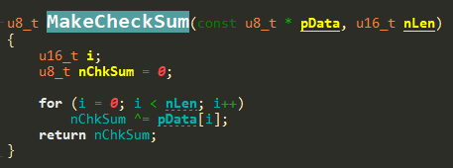
 |  |  | Upgrading ( 0x42, 0x44 0x72, 0x00, 0x03, 0xc2, 0x00, 0x00, 0xXX~0xXX, 0xXX )
 |  |  |  |  |  | 0x42 : Sync Byte ('B')
 |  |  |  |  |  | 0x44 : Data Packet ('D')
 |  |  |  |  |  | 0x72 : Major ID ( USB Upgrade Data)
 |  |  |  |  |  | 0x00 : Minor ID (Upgrade USB)
 | Data Packet 1 (960Byte) |  |  |  |  | 0x03, 0xC2 : length (960 + 2 (Reserved length) )
 |  |  |  |  |  | 0x00, 0x00 : Reserved
 |  |  |  |  |  | 0xXX ~ 0xXX (960 byte)
 |  |  |  |  |  | 0xXX : Checksum (whole packet : Data[0] ^ Data[1] ^ … ^ Data[N])
 |  |  |  |  |  |  |  |  | ACK ( 0x42,0x49,0x1b,0x02, 0x02, 0x00, 0x00 ,0x10 )
 |  |  |  |  |  |  |  |  | 0x42 : Sync Byte ('B')
 |  |  |  |  |  |  |  |  | 0x49 : Indication Packet ('I')
 |  |  |  |  |  |  |  |  | 0x1B : Major ID ( Upgrade Indicator)
 |  |  |  |  |  |  |  |  | 0x02 : Minor ID (Upgrade ACK)
 |  |  |  |  |  |  |  |  | 0x02 : Length
 |  |  |  |  |  |  |  |  | 0x00, 0x00 : Reserved
 |  |  |  |  |  |  |  |  | 0x10 : Checksum (whole packet : Data[0] ^ Data[1] ^ … ^ Data[N])

 |  |  |  | Upgrading ( 0x42, 0x44 0x72, 0x00, 0x03, 0xc2, 0x00, 0x00, 0xXX~0xXX, 0xXX )
 |  |  |  |  |  | 0x42 : Sync Byte ('B')
 |  |  |  |  |  | 0x44 : Data Packet ('D')
 |  |  |  |  |  | 0x72 : Major ID ( USB Upgrade Data)
 |  |  |  |  |  | 0x00 : Minor ID (Upgrade USB)
 | Data Packet 2 (960Byte) |  |  |  |  | 0x03, 0xC2 : length (960 + 2 ( Reserved length) )
 |  |  |  |  |  | 0x00, 0x00 : Reserved
 |  |  |  |  |  | 0xXX ~ 0xXX (960 byte)
 |  |  |  |  |  | 0xXX : Checksum (whole packet : Data[0] ^ Data[1] ^ … ^ Data[N])
 |  |  |  |  |  |  |  |  | ACK ( 0x42,0x49,0x1b,0x02, 0x02, 0x00, 0x00,0x10 )
 |  |  |  |  |  |  |  |  | 0x42 : Sync Byte ('B')
 |  |  |  |  |  |  |  |  | 0x49 : Indication Packet ('I')
 |  |  |  |  |  |  |  |  | 0x1B : Major ID ( Upgrade Indicator)
 |  |  |  |  |  |  |  |  | 0x02 : Minor ID (Upgrade ACK)
 |  |  |  |  |  |  |  |  | 0x02 : Length
 |  |  |  |  |  |  |  |  | 0x00, 0x00 : Reserved
 |  |  |  |  |  |  |  |  | 0x10 : Checksum (whole packet : Data[0] ^ Data[1] ^ … ^ Data[N])

 |  |  |  |  | …...................................................Keep Upgrading.............................................................................................

 |  |  |  | Upgrading ( 0x42, 0x44 0x72, 0x00, 0x03, 0xc2, 0x00, 0x00, 0xXX~0xXX, 0xXX )
 |  |  |  |  |  | 0x42 : Sync Byte ('B')
 |  |  |  |  |  | 0x44 : Data Packet ('D')
 |  |  |  |  |  | 0x72 : Major ID ( USB Upgrade Data)
 |  |  |  |  |  | 0x00 : Minor ID (Upgrade USB)
 |  | Data Packet 1826 (960Byte) |  |  |  | 0x03, 0xC2 : length (960 + 2 (Reserved length) )
 |  |  |  |  |  | 0x00, 0x00 : Reserved
 |  |  |  |  |  | 0xXX ~ 0xXX (960 byte)
 |  |  |  |  |  | 0xXX : Checksum (whole packet : Data[0] ^ Data[1] ^ … ^ Data[N])
 |  |  |  |  |  |  |  |  | ACK ( 0x42,0x49,0x1b,0x02, 0x02, 0x00, 0x00,0x10 )
 |  |  |  |  |  |  |  |  | 0x42 : Sync Byte ('B')
 |  |  |  |  |  |  |  |  | 0x49 : Indication Packet ('I')
 |  |  |  |  |  |  |  |  | 0x1B : Major ID ( Upgrade Indicator)
 |  |  |  |  |  |  |  |  | 0x02 : Minor ID (Upgrade ACK)
 |  |  |  |  |  |  |  |  | 0x02 : Length
 |  |  |  |  |  |  |  |  | 0x00, 0x00 : Reserved
 |  |  |  |  |  |  |  |  | 0x10 : Checksum (whole packet : Data[0] ^ Data[1] ^ … ^ Data[N])

 |  |  |  | Upgrading ( 0x42, 0x44 0x72, 0x00, 0x03, 0xc2, 0x00, 0x00, 0xXX~0xXX, 0xXX )
 |  |  |  |  |  | 0x42 : Sync Byte ('B')
 |  |  |  |  |  | 0x44 : Data Packet ('D')
 |  |  |  |  |  | 0x72 : Major ID ( USB Upgrade Data)
 |  |  |  |  |  | 0x00 : Minor ID (Upgrade USB)
Last |  | Data Packet 1827 (192Byte) |  |  |  | 0x00, 0xC2 : length (192 + 2 (Reserved length) )
 |  |  |  |  |  | 0x00, 0x00 : Reserved
 |  |  |  |  |  | 0xXX ~ 0xXX (192 byte) |  |  |  |  | 192Byte= | 1,754,112 Byte % 960 Byte
 |  |  |  |  |  | 0xXX : Checksum (whole packet : Data[0] ^ Data[1] ^ … ^ Data[N])
 |  |  |  |  |  |  |  |  | ACK ( 0x42,0x49,0x1b,0x02, 0x02, 0x00, 0x00,0x10 )
 |  |  |  |  |  |  |  |  | 0x42 : Sync Byte ('B')
 |  |  |  |  |  |  |  |  | 0x49 : Indication Packet ('I')
 |  |  |  |  |  |  |  |  | 0x1B : Major ID ( Upgrade Indicator)
 |  |  |  |  |  |  |  |  | 0x02 : Minor ID (Upgrade ACK)
 |  |  |  |  |  |  |  |  | 0x02 : Length
 |  |  |  |  |  |  |  |  | 0x00, 0x00 : Reserved
 |  |  |  |  |  |  |  |  | 0x10 : Checksum (whole packet : Data[0] ^ Data[1] ^ … ^ Data[N])

 |  |  |  |  |  | Upgrade End ( 0x42, 0x43, 0x1B, 0x01 0x00, 0x1B)

 |  |  |  |  |  |  |  | 0x42 : Sync Byte ('B')
 |  |  |  |  |  |  |  | 0x43 : Command Packet ('C')
 |  |  |  |  |  |  |  | 0x1B : Major ID ( BT upgrade)
 |  |  |  |  |  |  |  | 0x01: Minor ID ( Upgrade End )
 |  |  |  |  |  |  |  | 0x00 : Data length
 |  |  |  |  |  |  |  | 0x1B: checksum(whole packet : Data[0] ^ Data[1] ^ … ^ Data[N] )

 |  |  |  |  |  |  |  |  | Upgrade Complete ( 0x42,0x49, 0x1B, 0x00, 0x01, 0x00,0x13 )
 |  |  |  |  |  |  |  |  | 0x42 : Sync Byte ('B')
 |  |  |  |  |  |  |  |  | 0x49 : Indication Packet ('I')
 |  |  |  |  |  |  |  |  | 0x1B : Major ID (Upgrade Indicator)
 |  |  |  |  |  |  |  |  | 0x00 : Minor ID (Upgrade state change)
 |  |  |  |  |  |  |  |  | 0x01 : Data length
 |  |  |  |  |  |  |  |  | 0x02 : Upgrade Complete
 |  |  |  |  |  |  |  |  | 0x13 : Checksum (whole packet : Data[0] ^ Data[1] ^ … ^ Data[N])
" Completed"

Self Reset

END

